2022 328 Dues
AFSCME Local 328 Dues Calculator
Union Dues are payments that union members to make to support our union’s operations. We ask members to pay dues to keep our union strong. Dues help Local 328 to enforce our contract, pay for the legal/administrative costs of running a union, train our bargaining team and stewards and run beneficial programs for our members. Dues are automatically deducted from your paycheck 24 times per year. Our members’ dues dollars support Local 328, Oregon AFSCME Council 75 and AFSCME International.

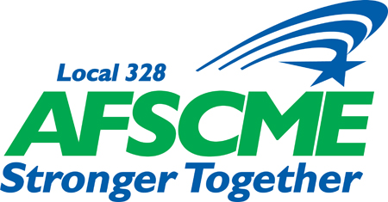
Local 328 Monthly Dues - Effective January 1, 2024
Flat-Rate: | $3.48
Percentage of Base Wages: | 1.38%
Minimum: | $25.58
Maximum: | $87.93

Calculate "YOUR" Specific Dues
Fill in your hourly wage OR base salary from your most recent paystub

If Hourly Employee -> Enter Hourly Wage:
If Hourly Employee -> Hours Worked in Pay Period:
 | OR
If Salaried Employee -> Enter Base Salary:

"YOUR" Specific Dues |  | Still have questions about union dues? Please contact us online: www.local328.org/contact or via email: info@local328.org
Total Per Pay Period | PENDING
Total Per Month (2pp) | PENDING
Total Per Year (24 pp) | PENDING

